Module 12
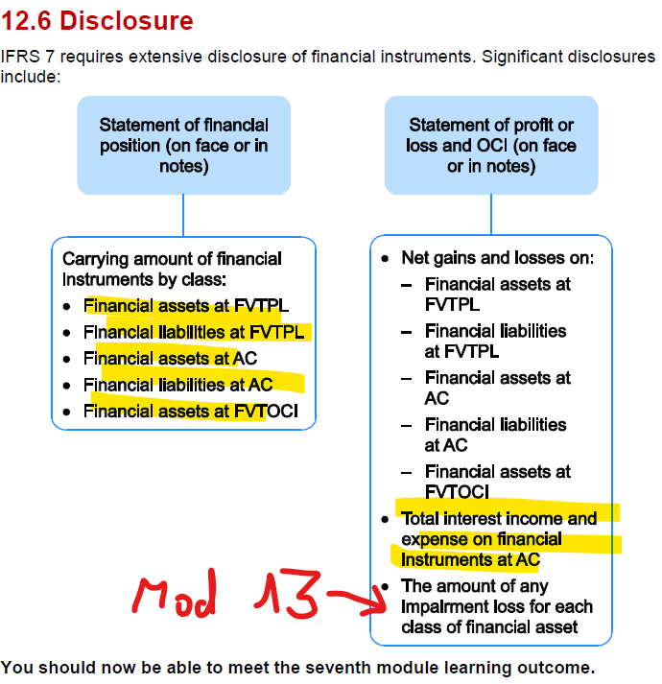
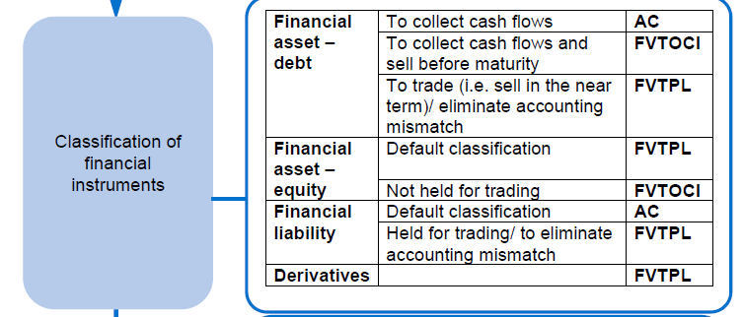
Main
 | Module 12 - Financial Instruments
 |  | <<<did well. Good sense of classification. Seems to be alright powering through them and trusting gut. Although get used to using the flowcharts
 |  | <<<no marks for journals in this question. Read the question
 |  | <<<half the marks or more are coming from explanations and advice in this question
 |  | <<<how and why they are chosing to classify certain assets/liabilities
 |  | <<<marks for stating the obvious. Get it all down on the page
 |  | <<<do the chat first then the computations

 | Print off and save the module 12 summary sheets

 | Main standard is IFRS 9 - Financial Instruments
 | IFRS 7 - Disclosure
 | IAS 32 - Presentation

 | explanation of how we classify financial instruments and any measurement of them

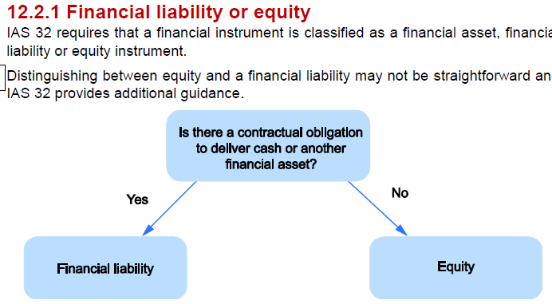

 | does the instrument have the substance of equity or it actually a liability

 | Is there a contractual obligation to deliver cash and/or
 | repay borrowings on a given date

 | Sometimes instruments are a mix of both. This is known as a compound asset.
 | Principles of substance over form apply when classifying financial instruments as equity or liability

 | contractual obligation to deliver interest or capital repayment

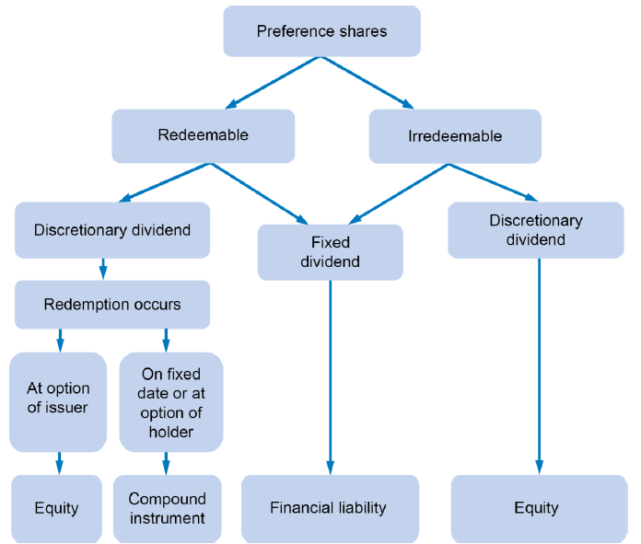

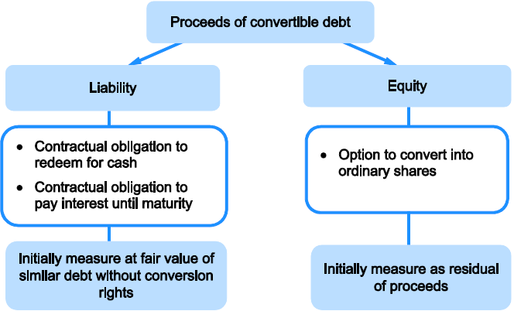

 | Activity 1

 | Penny plc
 |  | £'000
 | number | 2,000
 | par | £0.50
 | coupon | 3.00%
 | expiry | 2029
 | FV w/o conversion rights | 960

 | Proceeds | 1,000
 | Liability component | 960
 | Equity componenet | 40

 | incorrect journal
 | dr - bank |  |  | 1,000
 |  | cr - non current liab |  |  | 1,000

 | correc journal
 | dr - bond liability (NCL) |  |  | 40
 |  | cr - Reserve for convertible bonds (equity) |  |  | 40
 | being correction to recognition og convertible bonds

 | liabitity is the amount without conversion rights

 | forward contract
 | buy | $10,000,000
 | at | 1.3
 | in the future | £7,692,308

 | if exhange rate changes to |  | 1.35 | 1.27
 |  |  | £7,407,407 | £7,874,016
 | fair value (loss)/gain |  | -£284,900 | £181,708

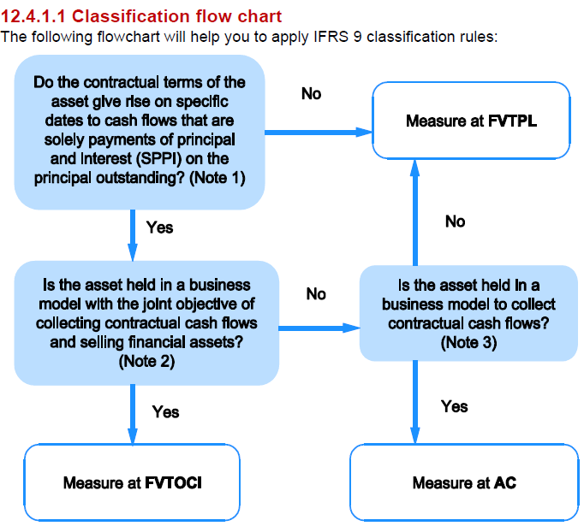

 | Deirivatives and equity insturments so not give rise to contactual cahs flows of SPPI and so must be measures at FVTPL
 | in the exam, if they mention not elected - doesn't mean they don't still have to recognise it as the correct classification
 | Use this as the structure for advising and explaining questions

 | Example 2

 | Investment in shares | Investment in bonds | Investment in mortgages
 | Crimbo owns 1,000,000 ordinary shares of YZ plc. | Crimbo acquired 5,000,000 £1.00 4% 20X9 bonds of Blanko plc during the current year. The bonds pay interest at 4% annually. The company intends to keep the bonds until maturity. | Crimbo bought a group of mortgages from a building society in the current year. The mortgages are due to be repaid over the next 15 to 20 years. Due to current economic conditions, the mortgages were acquired at a substantial discount to their nominal value. The company has acquired them with the intention of selling them onwards in the next two years as economic conditions improve.
 | FVTPL | AC | FVTPL
 | shares do not promise SPPI | SPPI and held to maturity | SPPI and will not be held to maturity. Any interest received before sale is incidental. Not really the reason they are holding them

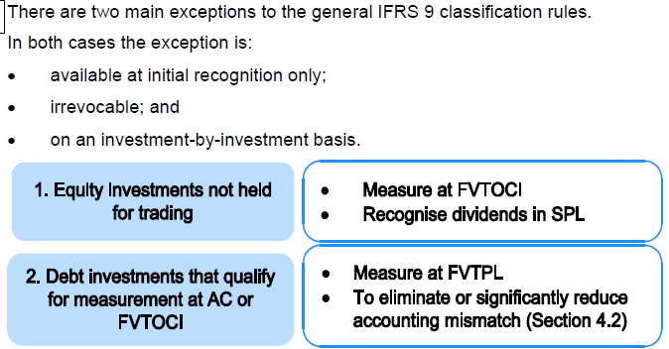

 |  |  |  |  |  | can opt to hold this through OCI and recognise dividents in SPL

 |  |  |  |  |  | can measure at FVTPL to eliminate or significantly reduce an accounting mismatch
 |  |  |  |  |  | will never need to choose - will be told if this is the case

 | can only do this at intital recognition
 | cannot be undone - irrevocable
 | done on a case by case basis

 | 1. go to flowchart
 | 2. watch out for caveats areound changes to default classification

 | financial assets - use the flowchart and remember the assets

 | Financial Liabilities
 | 99% of the time financial liabilities will be held at amortised cost
 | only ones held TPL is derivatives or assets held for trading - will be told this in advance

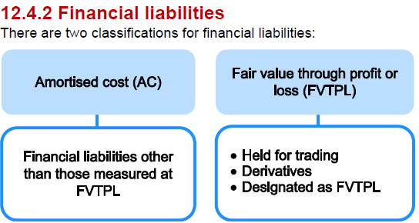

 | 99% liabiliites are held at AC
 | if held through trading or to correct an accounting mismatch then can carry at fair value

 | can be designated as FVTPL if doing so eliminates or significantly reduces and accounting mismatch

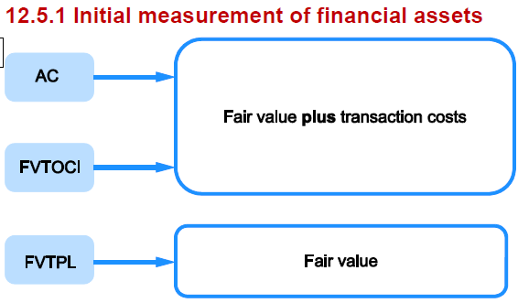

 | AC or FVTOCI
 | Fair value plus transaction cost

 | FVTPL
 | measured at FV - (transaction cost have already gone throuhg P&L)

 | Fair value is usually consideration given.
 | transaction cost are incremental cost directly attributable to the acquisition of the instrument
 | fees, taxes, stam duty etc.
 | not admin or holding costs

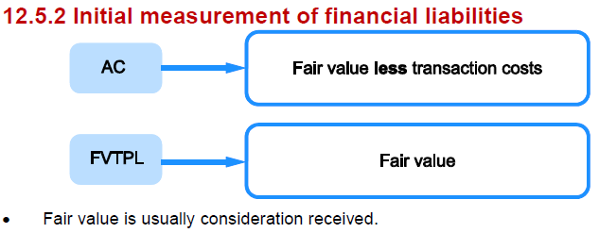

 | cannot deduct transaction costs from the e liability if FVTPL

 | 1.
 | contract for | $10,000,000
 | at | $1.45
 | arrangement fees | £1,000
 | FV | 0

 | measured at FVTPL so transaction cost not included

 | dr - SPL transaction cost |  |  | £1,000
 |  | cr - bank |  |  | £1,000
 | being transaction costs written off

 | 2.

 | acquire | 300,000 | shares
 | at | £5.00 | per share
 |  | £1,500,000
 | incendtal costs | £15,000
 | bank | £1,515,000

 | dr - SPL transaction cost |  |  | £15,000
 | dr - investment in shares (financial asset) |  |  | £1,500,000
 |  | cr - bank |  |  | £1,515,000
 | being transaction cost written off and recognition of financial asset

 | 3.
 | issued | 5,000,000 | shares
 | par | £1.00
 |  | 3.50% | bonds
 | disscount | 25%
 | redeemable | £1.10 | per share
 | arrangement fees | £45,000
 | bonds are classified as AC

 |  | £3,750,000.00
 | less incidnetal fees | £45,000
 |  | £3,705,000

 | dr - bank |  |  | £3,705,000
 |  | cr - bond liability |  |  | £3,705,000
 | being issue of bonds, net of transaction cost capitalised

 | in most questions - something has been misposted to bank or suspense - so get comfortable with the correcting journals

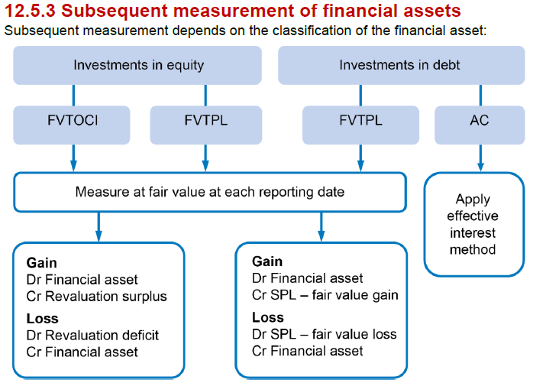

 | always pick the lower value for FV of shares

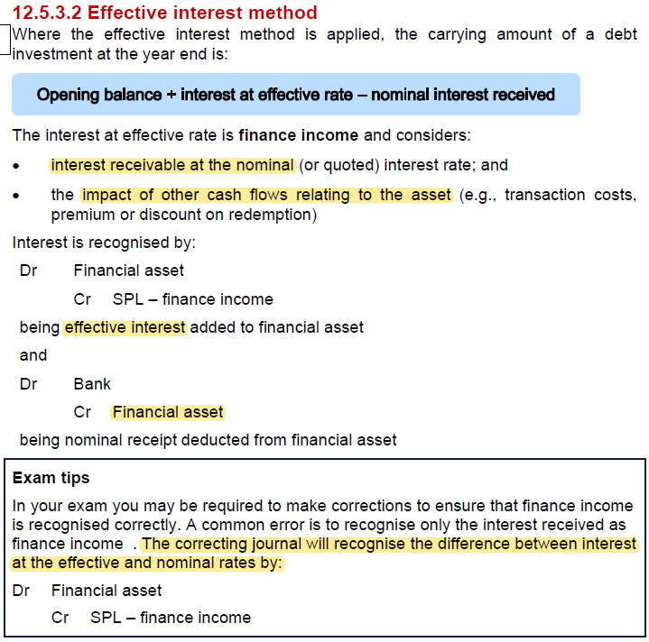

 | AR (amortised cost)
 | balance | 2,257
 | BD allce | 45 | dr - SPL
 |  | 2,212 | cr - curent assets

 | Loan receivable
 | laon to | 600
 | due | 2023-02-01
 | interest | 3% | pa due in arrears
 | must repay | 738 | 2028-02-01
 | effective interest rate | 7% | pa
 | classify as amortised cost. SPPI, not selling before maturity. not fixing and accounting mismatch

 |  | opening loan receivable | Effective interest | nominal interest | closing loan receivable
 | 2021-01-31 | 600 | 42 | -18 | 624

 | finance income SPL |  |  | 42
 | loan receivable (SFP) |  |  | 624

 | Dr - financial asset |  |  | 24
 |  | cr - SPL - finance income |  |  | 24
 | correcting journal between interest at the effective and nominal rates

 | Investment in shares
 |  | 100,000
 | 22/5/202 | £3.60 | per share

 | trans cost | 3,000
 | 2024-12-31 | £3.95
 | selling cost | 3% | of sales price - cannot include as FVTOCI
 | FVTOCI
 | dividend received
 | 2023-11-01 | 20
 |  |  | £'000
 | pruchase price |  | 360,000
 |  |  | 3,000
 |  |  | 363,000
 | FV at bid price | 3.95 | 395,000
 |  |  | 32,000

 | investment in shares (SFP) |  | 395,000
 | FV gain on financial aset (SOCI) |  | 32,000
 | reval surplus (SFP) |  | 32,000
 | Finanace inceom (SFP) |  | 20

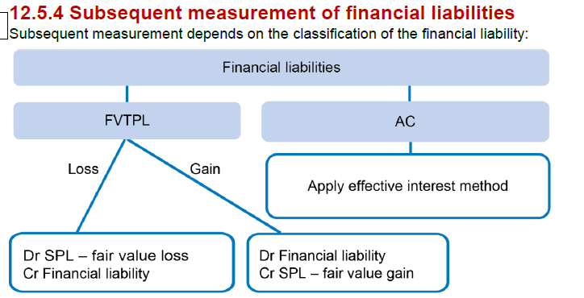

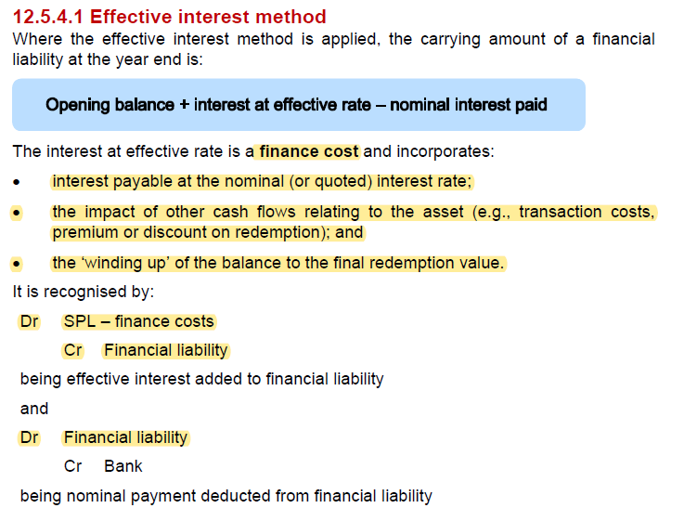

 | Activity 4
 | Blackhouse | £'000
 | issued | 5000
 | par | 0.5
 | nominal value | 2500
 | coupon | 7%
 | discount | 10%
 | cost of issue | 120
 | effective rate of interest | 14.30%
 | classified as amortised cost

 | futures currency contract
 | cost | 0
 | negative value | -50

 | Proceeds from issue of bonds | 2,250
 | openign balance | 2,130

 | dr - FISA |  |  | 2250
 |  | cr - bond liability |  |  | 2,130
 |  | cr- SPL admin expense |  |  | 120
 | being correction to record bonds liability and write off cost of issue

 |  | opening bonds | effective interest rate | nominal interest | closing bonds
 |  | 2,130 | 305 | -175 | 2,260

 | adjustment required | 130

 | dr - SPL - finanace cost |  |  | 130
 |  | cr - bond liability |  |  | 130
 | being correction to finance costs and bonds liability

 | Derivative (FVTPL)
 | dr - SPL - FV decrease |  |  | 50
 |  | cr - derivative liability |  |  | 50
 | being fair value loss on futures contract

